2% Efficiency Increase
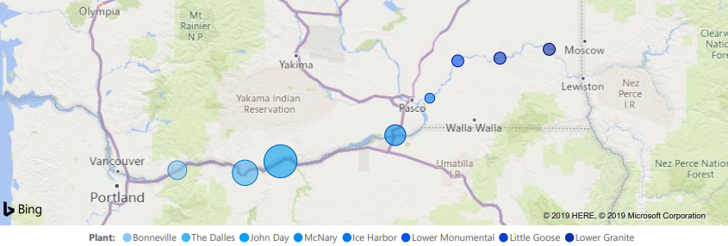

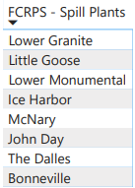

 |  | It takes This Much coal to make a MWHr of Electricity
 |  | 1.115 | Tons/MWHr
 |  | $36 | Per ton
 |  |  |  | That coal releases Carbon Dioxide at
 |  |  |  | 4,173 | pounds CO2 per ton of coal
 |  |  |  | 2.087 | Tons C02 Per ton of coal

 |  |  |  |  |  |  |  | $40 | $85
 |  | Effy Increase |  | Added Power | Coal to | Cost of | CO2 Produced | Cost to remove Carbon Dioxide
Year | Total Revenue | 2% of Total | Total | 2% of Total | make 2% | Coal | by generation
(ad) | ($$$) | ($$$) | (MWHrs) | (MWHrs) | (Tons) | ($$$) | (Tons)
2017 | $2,540,000,000 | $50,800,000 | 91,398,886 | 1,827,978 | 2,038,378 | $73,381,606 | 4,253,076 | $170,123,024 | $361,511,426
2018 | $2,660,000,000 | $53,200,000 | 89,356,018 | 1,787,120 | 1,992,818 | $71,741,445 | 4,158,015 | $166,320,583 | $353,431,239
2019 | $2,599,000,000 | $51,980,000 | 73,804,930 | 1,476,099 | 1,645,998 | $59,255,912 | 3,434,374 | $137,374,955 | $291,921,780
2020 | $2,605,000,000 | $52,100,000 | 80,670,150 | 1,613,403 | 1,799,106 | $64,767,805 | 3,753,834 | $150,153,360 | $319,075,891
2021 | $2,740,700,000 | $54,814,000 | 73,501,725 | 1,470,035 | 1,639,235 | $59,012,477 | 3,420,265 | $136,810,592 | $290,722,509

Averages | $2,628,940,000 | $52,578,800 | 81,746,342 | 1,634,927 | 1,823,107 | $65,631,849 | 3,803,913 | $152,156,503 | $323,332,569

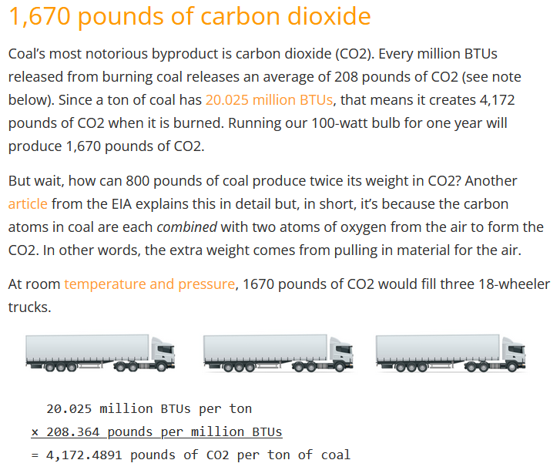
 |  |  |  |  |  |  | 3,803,913 | Average Tons of Carbon Dioxide abated by comprehensive index testing
 |  |  |  |  |  |  |  | and optimization.

 |  |  |  |  |  |  | Click here to see source article:
 |  |  |  |  |  |  | How much CO2 and pollution comes from burning coal?

