BPA Spill Data Reduction
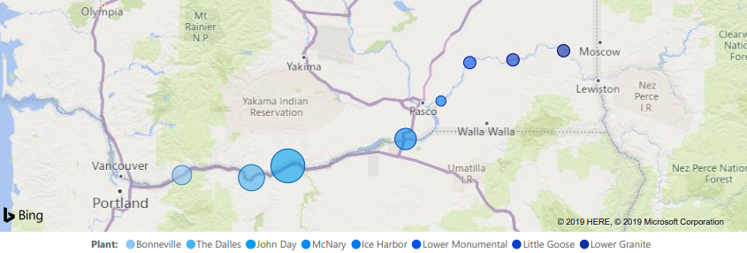
Year | Total Revenue | Spill Plants | Others | Total | Turbine flow | Spill Flow | Spill to gen ratio | Calculated | Turbine Pct | Spill Percent | Bulk Rate
(ad) | (USD) | (MWHrs) | (MWHrs) | (MWHrs) | (kcfs) | (kcfs) | (%) | (%) | (%) | (%) | ($/MWHr)
2017 | $2,540,000,000 | 39,025,027 | 52,373,859 | 91,398,886 | 93 | 46 | 50% | 49.46% | 66.91% | 33.1% | $28
2018 | $2,660,000,000 | 36,640,564 | 52,715,454 | 89,356,018 | 87 | 34 | 40% | 39.08% | 71.90% | 28.1% | $30
2019 | $2,599,000,000 | 30,588,831 | 43,216,099 | 73,804,930 | 71 | 29 | 41% | 40.85% | 71.00% | 29.0% | $35
2020 | $2,605,000,000 | 30,945,796 | 49,724,354 | 80,670,150 | 73 | 30 | 41% | 41.10% | 70.87% | 29.1% | $32
2021 | $2,740,700,000 | 27,637,328 | 45,864,397 | 73,501,725 | 64 | 22 | 35% | 34.84% | 74.16% | 25.8% | $37

Year | Spill Plants | Percent Spill | Lost Power
(ad) | (Total MWHrs) | (%) | (MWHrs) |  | The percentage of total power that gets spilled is calculated.
2017 | 39,025,027 | 33.09% | 12,914,757
2018 | 36,640,564 | 28.10% | 10,295,696
2019 | 30,588,831 | 29.00% | 8,870,761
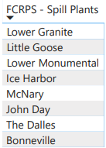
2020 | 30,945,796 | 29.13% | 9,013,339
2021 | 27,637,328 | 25.84% | 7,141,189
 |  | Averages
 | 32,967,509 | 29.03% | 9,647,148

Year | Lost Power | Bulk Rate | Lost Revenue
(ad) | (MWHrs) | ($/MWHr) | (USD) |  | Lost revenue is calculated from spilled power at bulk rate.
2017 | 12,914,757 | $27.79 | $358,904,627
2018 | 10,295,696 | $29.77 | $306,488,036
2019 | 8,870,761 | $35.21 | $312,378,967
2020 | 9,013,339 | $32.29 | $291,058,677
2021 | 7,141,189 | $37.29 | $266,277,507
 |  | Averages |  |  |  |  |  |  |  |  |  | How much CO2 and pollution comes from burning coal?
 | $9,647,148 | $32.47 | $307,021,563 | $307,021,563 |  |  |  |  |  |  |  | https://www.freeingenergy.com/how-much-co2-and-other-pollutants-come-from-burning-coal/
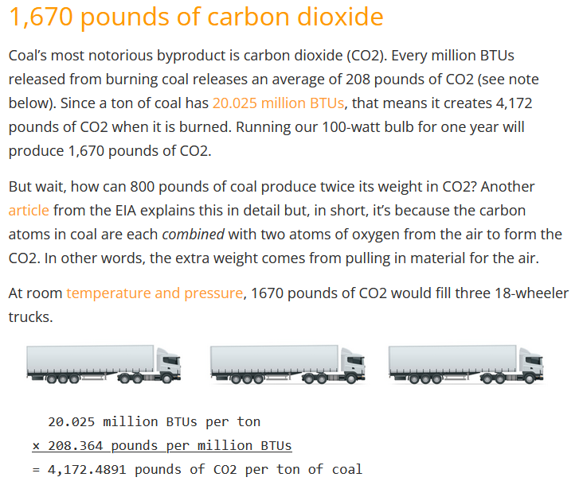
And then that coal must be paid for at:
$36 | Per ton
and it takes This Much coal to make a MWHr
1.115 | Tons/MWHr

Year | Lost Power | Coal for makeup | Coal Cost
(ad) |  | (tons) | (USD) |  | Replacement electricity is generated with coal that is not free…
2017 | 12,914,757 | 14,401,246 | $518,444,845
2018 | 10,295,696 | 11,480,730 | $413,306,289
2019 | 8,870,761 | 9,891,786 | $356,104,281
2020 | 9,013,339 | 10,050,774 | $361,827,861
2021 | 7,141,189 | 7,963,140 | $286,673,026
 |  | Averages
 | $9,647,148 | $10,757,535 | $387,271,260 | $387,271,260

That coal releases Carbon Dioxide at
4,173 | pounds CO2 per ton of coal
2.087 | Tons C02 Per ton of coal
and it takes This Much coal to make a MWHr

Year | Coal for makeup | CO2 Emissions
(ad) | (tons) | (tons) |  |  | Burning that coal produces Carbon Dioxide
2017 | 14,401,246 | 30,048,199
2018 | 11,480,730 | 23,954,544
2019 | 9,891,786 | 20,639,211
2020 | 10,050,774 | 20,970,940
2021 | 7,963,140 | 16,615,091
 |  | Averages
 | 10,757,535 | 22,445,597

To avoid carbon emissions, use
Carbon Capture and Sequestration (CCS) |  |  | Cost/ton
Year | CO2 Emissions | Cost of CCS | for CSS |  | To get net-zero performance, Carbon Capture and Sequestration
(ad) | (tons) | ($$$) | $40.00 |  | can remove CO2 from Flue Gas streams in coal fired generators.
2017 | 30,048,199 | $1,201,927,965
2018 | 23,954,544 | $958,181,746
2019 | 20,639,211 | $825,568,425
2020 | 20,970,940 | $838,837,591
2021 | 16,615,091 | $664,603,632
 |  | Averages
 | 22,445,597 | $897,823,872 |  | $897,823,872

 |  |  |  | $1,592,116,695 | Total impact of not index testing and optimizing USACE Columbia River Kaplans

Original government forecast for efficiency increase was |  |  | 2.00%
Compute power gain:
Year | Total Power | Power Gain
(ad) | (MWHRs) | (MWHRs) |  |  | The original objective was index testing and optimizing the 3-D Cam to get the typical 2% efficiency gain
2017 | 91,398,886 | 1,827,978 |  |  | so this should be added to the total.
2018 | 89,356,018 | 893,560
2019 | 73,804,930 | 738,049
2020 | 80,670,150 | 806,702
2021 | 73,501,725 | 735,017
 |  | Averages
 | 81,746,342 | 1,000,261

Compute revenue gain from efficiency increase.
Year | Power Gain | Bulk Rate
(ad) | (MWHRs) | ($/MWHr) |  |  | This added revenue to the stakeholders is lost.
2017 | 1,827,978 | $27.79 | $50,800,000
2018 | 893,560 | $29.77 | $26,600,000
2019 | 738,049 | $35.21 | $25,990,000
2020 | 806,702 | $32.29 | $26,050,000
2021 | 735,017 | $37.29 | $27,407,000
 |  | Averages |  | $1,592,116,695
 | 1,000,261 | $32.47 | $31,369,400 | $31,369,400 | Revenue gain from the 2% gain predicted by government engineers for index testing FCRPS Kaplan turbines.

 |  |  |  | $1,623,486,095 | Total impact of neglect of index testing and optimizing USACE mainstem Columbia River Kaplan turbines.

 |  | Wasted power |  | $307,021,563
 |  | coal purchase |  | $387,271,260
 |  | CCS |  | $897,823,872

 |  |  |  | $1,592,116,695

 |  | CO2 production | 22,445,597

